Terminal State
POC FINAL SETUP

Terminal State | Populated by API: | Warehouse Type | Where State Happened (logical) | Activity
QUARANTINE | Purchase Order | Live | location | Received from Vendor
ENCRYPTION_KEY_LOADED | Product/SerialNumber | Live | location | Encryption Key Loaded
STAGING | Product/SerialNumber | Live | location | VAS activities in progress
AVAILABLE | Product/SerialNumber | Live | location | Available to sell / distribute
TRANSIT_TO_COMPANY | Order/Type=Sales where state = Shipped | Out-Warehouse | location | Shipped to customer
RECEIVED | Order/Type=Sales where state = DeliveryConfirmed | Out-Warehouse | Order.shipment.shippedTo.Company | Received by customer
CUSTOMER_DELIVERY_FAILED | Order/Type=Sales where state = DeliveryAttempted OR state=DeliveryFailed | Out-Warehouse | Order.shipment.shippedTo.Company | Attempt failed to deliver at customer
DEFECT | Order/Type=Return | ReturnedLive | location | Detected broken
UNDER_INVESTIGATION | Product/SerialNumber | ReturnedLive | location | Review by warehouse
TRANSIT_TO_REPAIR | Outbound Dispatch where outboundState = Shipped | Out-Warehouse | location | Shipped to repair / vendor
IN_REPAIR | Outbound Dispatch where outboundState = DeliveryConfirmed | Out-Warehouse | Outbound.Despatch.shipment.shippedTo.Company | In repair
REPAIR_DELIVERY_FAILED | Outbound Dispatch where outboundState = DeliveryFailed or outboundState = DeliveryAttempted | Out-Warehouse | Outbound.Despatch.shipment.shippedTo.Company | Attempt failed to deliver at Repair
QUARANTINE_REFURBISHED | Inbound Dispatch where inboundState = Inbounded or PartiallyInbounded | RefurbishedLive | location | Received from repair
AVAILABLE_REFURBISHED | Inbound Dispatch where inboundState =Available | RefurbishedLive | location | Available to sell / distribute (refurbished)
TRANSIT_TO_WAREHOUSE | Outbound Distribution where outboundState = Shipped | Out-Warehouse | Outbound Distribution. OriginLocation | Shipped to other warehouse
RECEIVED_AT_DESTINATION_WAREHOUSE | Outbound Distribution where outboundState = DeliveryConfirmed | Out-Warehouse | OutboundDistribution.shipment.shippedTo.Company | Received at Destination Warehouse
DESTINATION_WAREHOUSE_DELIVERY_FAILED | Outbound Distribution where outboundState = DeliveryFailed or DeliveryAttempted | Out-Warehouse | Outbound.Distribution.shipment.shippedTo.Company | Attempt failed to deliver at Destination Warehouse
DESTROYED | Dispatch | Out-Warehouse | tbc | Scrap / destroyed

Terminal State | This is the API That sends us the Terminal State | Stock Type | Location of State | Detailed Activity Description

Example Solution for locations validation: | Terminal State | Location (Validated) | char1 ("Activity Location")
 | QUARANTINE | AMSTERDAM | Oostrum
 | AVAILABLE | AMSTERDAM | Oostrum
 | TRANSFER_TO_COMPANY | AMSTERDAM | Oostrum
 | RECEIEVED | AMSTERDAM | Customer1
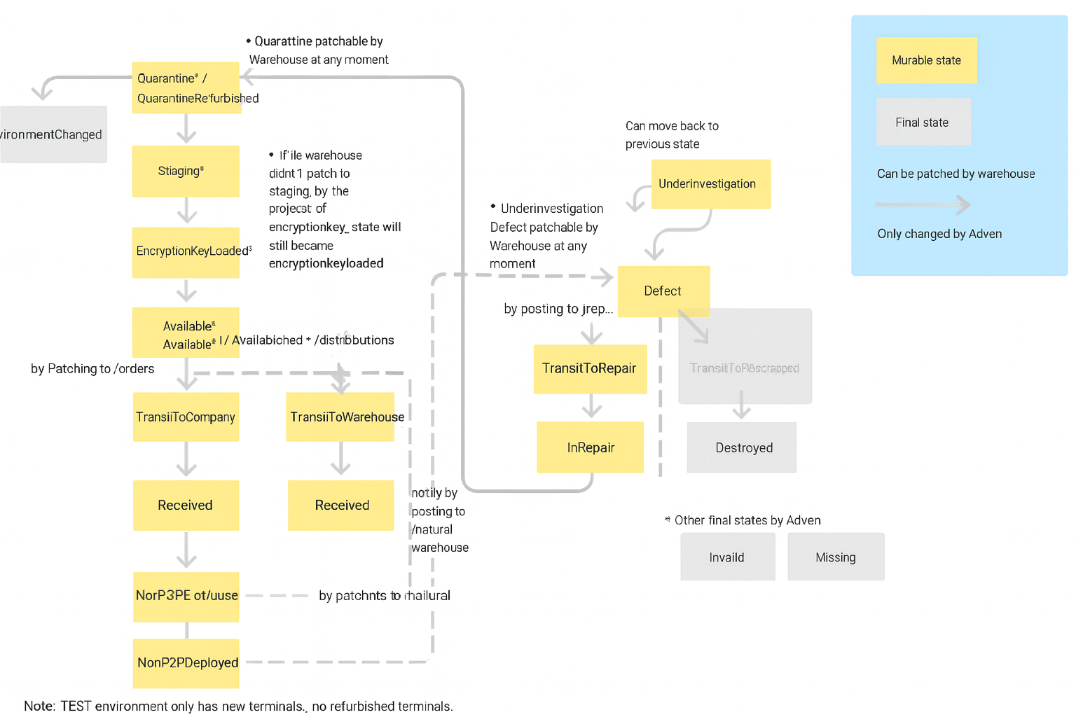
 | DEFECT | AMSTERDAM | Oostrum
 | TRANSFER_TO_REPAIR | AMSTERDAM | RepairShop
 | TRANSFER_TO_WAREHOUSE | AMSTERDAM | Oostrum
 | RECEIVED_AT_DESTINATION_WAREHOUSE | AMSTERDAM | Memphis

Basavaraj Nidoni -Updates
This is Master Data
Create Location and create stage set for each location |  | Stage set type- can be mapped to Warehouse type, Or in Satge set only, | Warehouse type as Stage set type/ group
 | Stage Set
QUARANTINE | OOSTRUM_QUARANTINE | PO Receipt Warehouse_QUARANTINE
ENCRYPTION_KEY_LOADED | OOSTRUM_ENCRYPTION_KEY_LOADED | PO Receipt Warehouse_ENCRYPTION_KEY_LOADED
STAGING | OOSTRUM_STAGING | PO Receipt Warehouse_ENCRYPTION_KEY_LOADED
AVAILABLE | OOSTRUM_AVAILABLE | PO Receipt Warehouse_ENCRYPTION_KEY_LOADED
TRANSIT_TO_COMPANY | OOSTRUM_TRANSIT_TO_COMPANY
RECEIVED | OOSTRUM_RECEIVED
DEFECT | OOSTRUM_DEFECT
UNDER_INVESTIGATION | OOSTRUM_UNDER_INVESTIGATION
TRANSIT_TO_REPAIR | OOSTRUM_TRANSIT_TO_REPAIR
IN_REPAIR | OOSTRUM_IN_REPAIR
QUARANTINE_REFURBISHED | OOSTRUM_QUARANTINE_REFURBISHED
AVAILABLE_REFURBISHED | OOSTRUM_AVAILABLE_REFURBISHED
TRANSIT_TO_WAREHOUSE | OOSTRUM_TRANSIT_TO_WAREHOUSE
DESTROYED | OOSTRUM_DESTROYED
MISSING | OOSTRUM_MISSING

QLIK Analytics Design
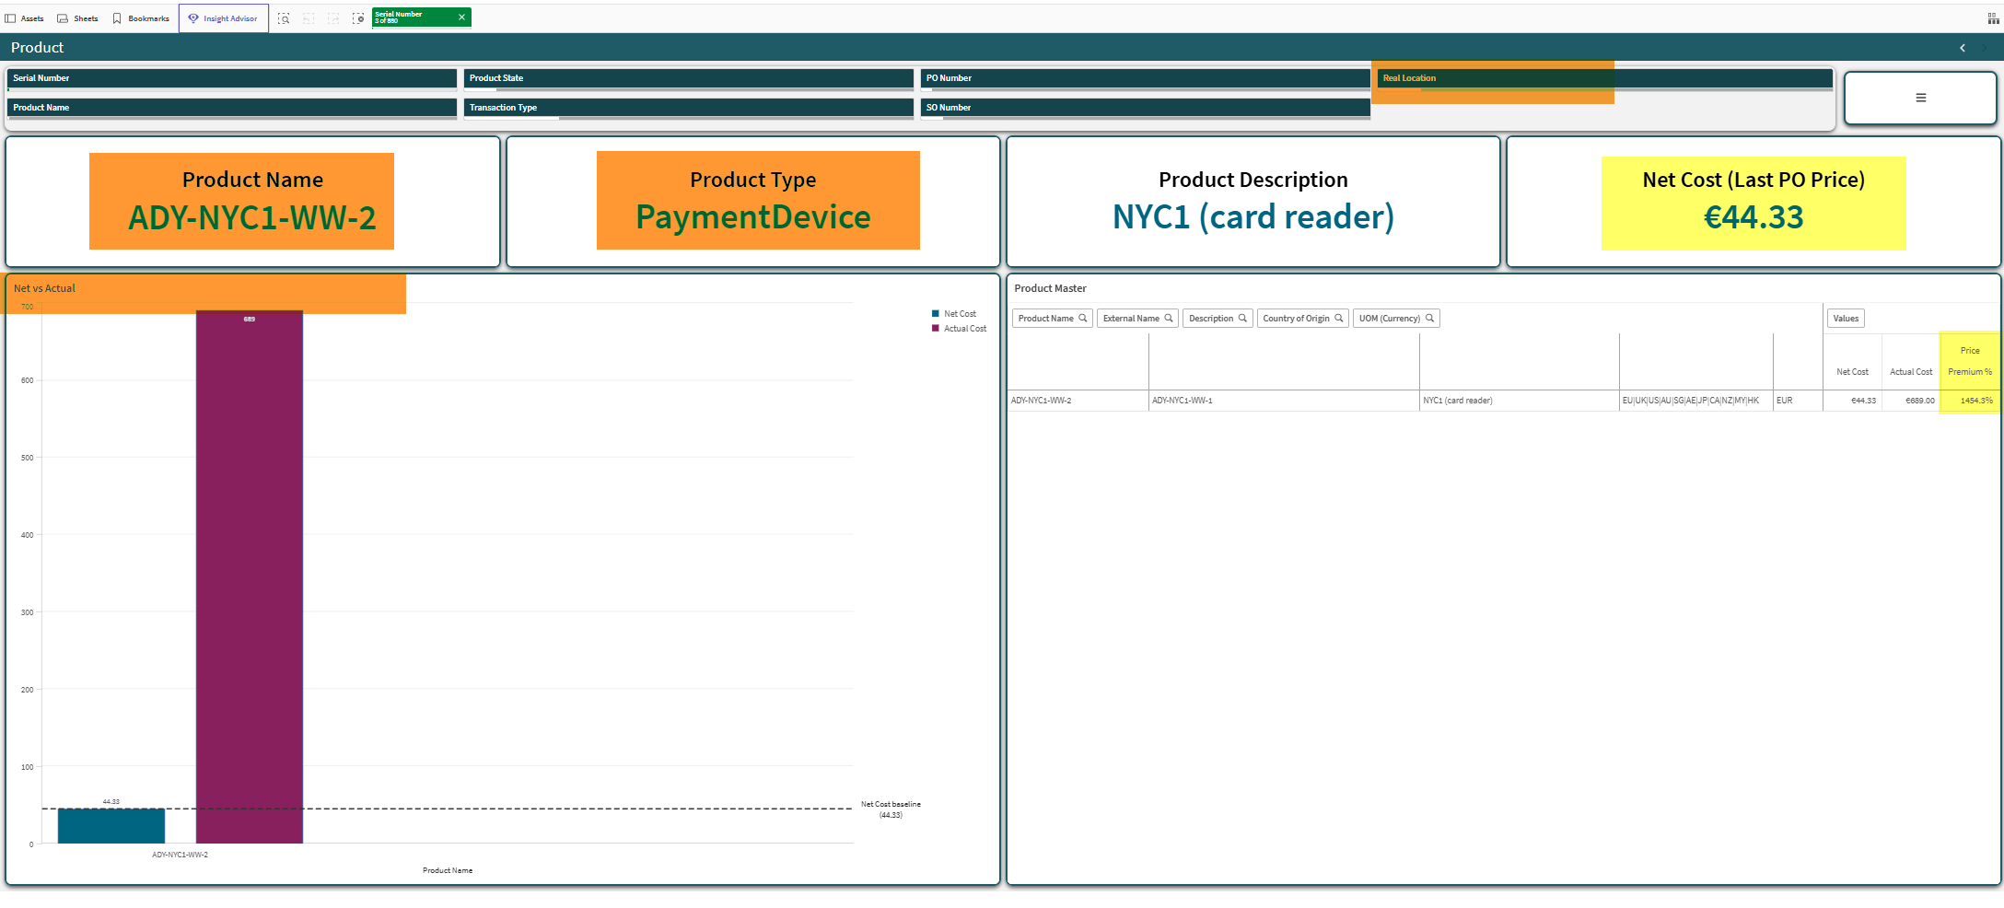
List all serial numbers
Display on Picture: | Terminal ID |  | Location Code | Product Code |  | Latest State |  |  | Event Count |  | First Event Date | Last Event Date | Purchase Cost | 3PL costs
E2MC | Serial Number |  | Real Location | Product |  | Latest Terminal State |  |  | Transaction Count |  | Oldest Terminal State date | Youngest Terminal State Date | Product -> Last PO Price | Activity Based Cost

List agregated by Product and by Location
Display on Picture: | Location Code |  | Product Code | Product Description |  | Earliest receipt Date |  |  | Average Inventory Age |  | Latest Transaction Date | Total Terminals | Average Purchase costs | Average 3PL Costs | Total costs
E2MC | Real Location of last Terminal state |  | ProductName | Description |  | Date of Quarantine Status |  |  | IGNORE |  | Latest date of latest terminal state | count of Serial numbers per Location in Available or AvailableRefurbished state | Per product - Last PO * total terminals | Sum of Activity based costs | Purchase Costs + 3PL costs

 |  |  |  |  | Sample output:
 |  |  |  |  |  |  | count | 3PL costs | Purchase costs | Total
 | serial 1 | Amsterdam | 200 |  | Amsterdam |  | 1 | 200 | 50 | 250
 | serial 2 | London | 150 |  | London |  | 2 | 270 | 100 | 370
 | Serial 3 | London | 120 |  | Paris |  | 1 | 100 | 50 | 150
 | Serial 4 | Paris | 100

 | Product Purchase costs (Last PO ) = 50

Changes and updates - requested on 8.4.2026:
Changes to the screens:
What is highlighted in YELLOW - REMOVE
What is highlighted in RED - change

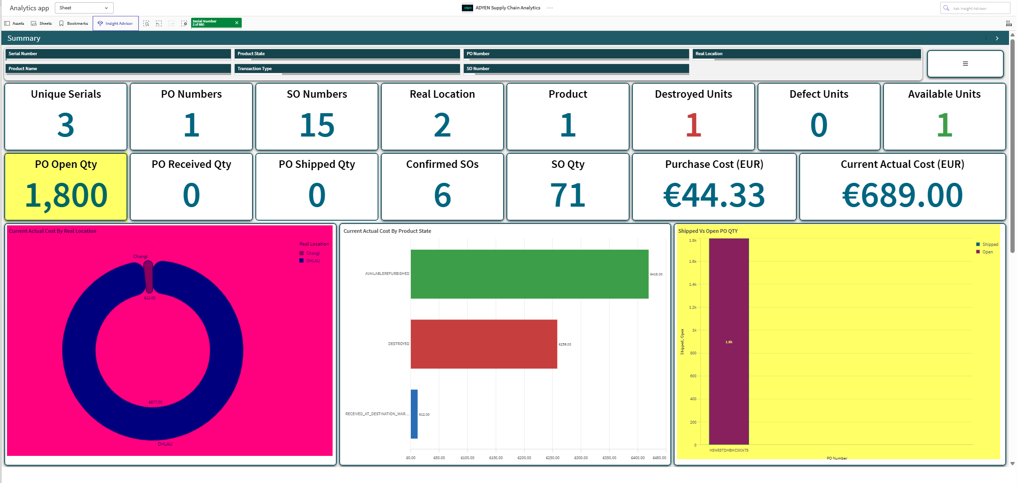
A Summary Sheet:

Changes:
1. Current actual location - can we change it to bar chart? And can this be not current but all locations in the history?
2. Also for this sheet - please would you visually split the KPIs on top to group all those related to Serials, to PO and to SO?

3. Still on Summary sheet in the bottom is the finance section - please can you create a separate sheet for Finance that would be somehow looking as following:

Key thing - selectors on this Sheet should be only the products and locations.
Only one other thing - please use the labels of "3PL costs" and "Purchase Costs" and "Total Costs" - do not use the average.

4. The serial Genealogy with the costs you can keep on the Summary page, but please add the total.

B) Sheet "Serial Number Detail"

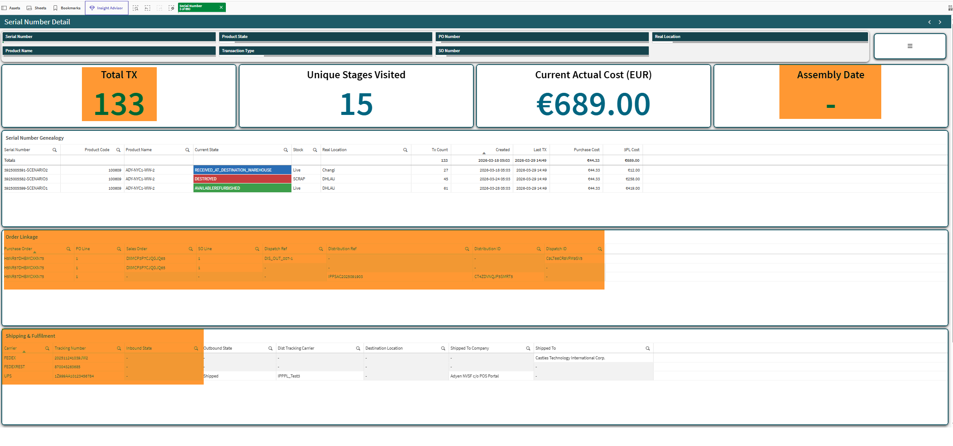

Changes:
1. Add selector to this sheet for Earliest Event Date and Latest Event Date:

2. Remove Transaction Type from all filters (all sheets)
3. Upper left - Total Tx - change this to metric of total time span in days - purely difference between Earliest Event Date and Latest Event Date
4. Upper right - Assembly date - change to Received date - that would be in the field "InboundedAT"
5. Table Order Linkage - we may need to split and create a section for Purchase order, section for SO, section for Distribution order and last for Dispatch - and show only those details there - is that possible?
a. Also a sub - idea - for distribution we should have date of distribution start and end - can we calculate days in transit for distribution?
6. Shipping and fulfilment - can we add here by which order (SO, Distribution, Dispatch) were these shipments created?
7. To the "Serial Number Genealogy" table - can you add field "Event Description" right next to "current state"? It has a longer text for describing the event.

Can we pre-set filters for each QLIK screen differently, e.g. Product sheet to pre-set to particular location vs Serial numbers for particular serials?

C) Sheet "Transaction Summary"

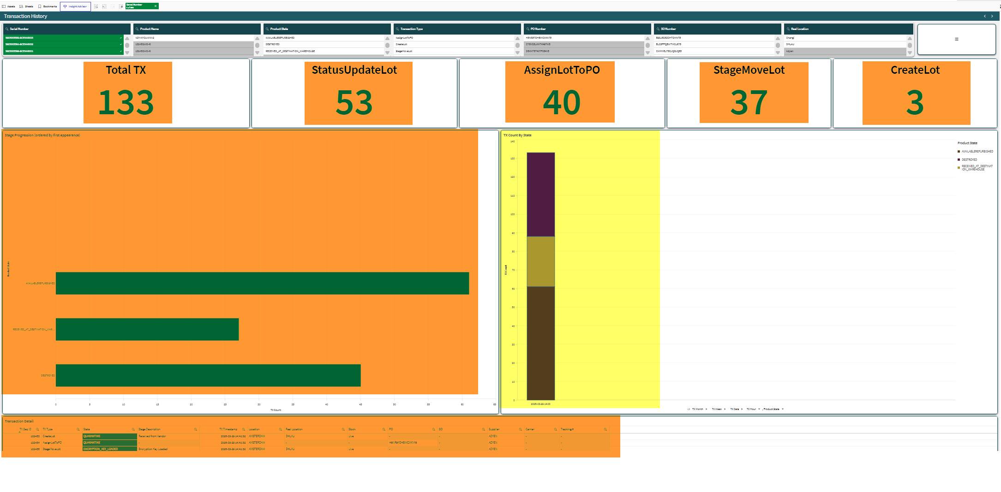

Changes:
1. Table Transaction Detail - please move upwards right below the KPIs
2. Bar chart "Stage progression" - please rebuild to show # of days per stage, purely by calculating how long it was in given stage till it turned to next stage - possible?
3. Upper KPIs
a. Total TX - please rebuild to "Total Terminal statuses" - count of statuses that selected Serial number gained
b. StatusUpdateLot - remove & remake this to KPI of #of Days on PO - where you calculate days between PO created to PO received (InboundedAT)
c. AssignLotToPO - remove & remake this to "# of days in warehouse" - date difference between "QUARANTINE" state to either "TRANSIT_TO_CUSTOMER" or "TRANSIT_TO_WAREHOUSE" -- if these statuses do not occur - then "N/A"
d. StageMoveLot - remove & Remake this to "#of days at customer" - date difference between "TRANSIT_TO_CUSTOMER" to "DEFECT" - if these statuses do not occur - then "N/A"
e. CreateLot - remove & Remake to "#of days at repair" - date difference between "TRANSIT_TO_REPAIR" and "QUARANTINE_REFURBISHED" - if these statuses do not occur - then "N/A"

D) Sheet Purchase Order Detail:

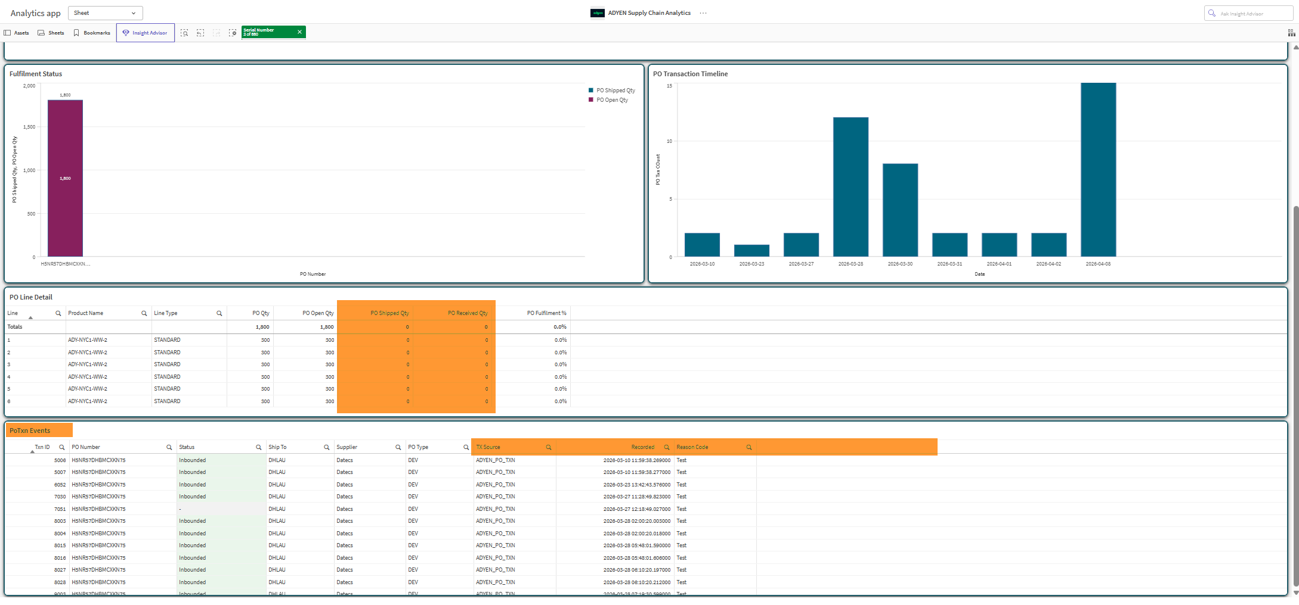

Changes:
1. PO Line Detail - for the PO received qty - can we calculate the count of serial numbers that are associated to this PO - the total is actually how many are received
2. PO Txn Events - this maybe not relevant table - we receive same PO multiple times. But if we could potentially rebuild it - add here InboundKey and InboundedAt fields? What happens is that 1 PO may have multiple InboundKey, so if we show this 1:N relationship and dates of inbound that would do great stuff!

E) Sheet "Product"

Changes:
1. This sheet should show summaries mainly per product or per location - so main selectors should be listed first
2. If I select e.g. Oostrum - I want to see all metrics below related to what products are in Oostrum now
a. Metric Product name - can we remake it to "# of products present" - count of unique products in Location = Oostrum?
b. Metric Product Type - remake it to "Most common Product" where we show product that has highest occurrences in selected location
c. Net Costs - rename to "Total Net costs" which will list all present products * product price in given Location
d. What is "Price Premium %" in the product master table?

3. Orders
API Orders |  |  |  |  | Customer API specs:

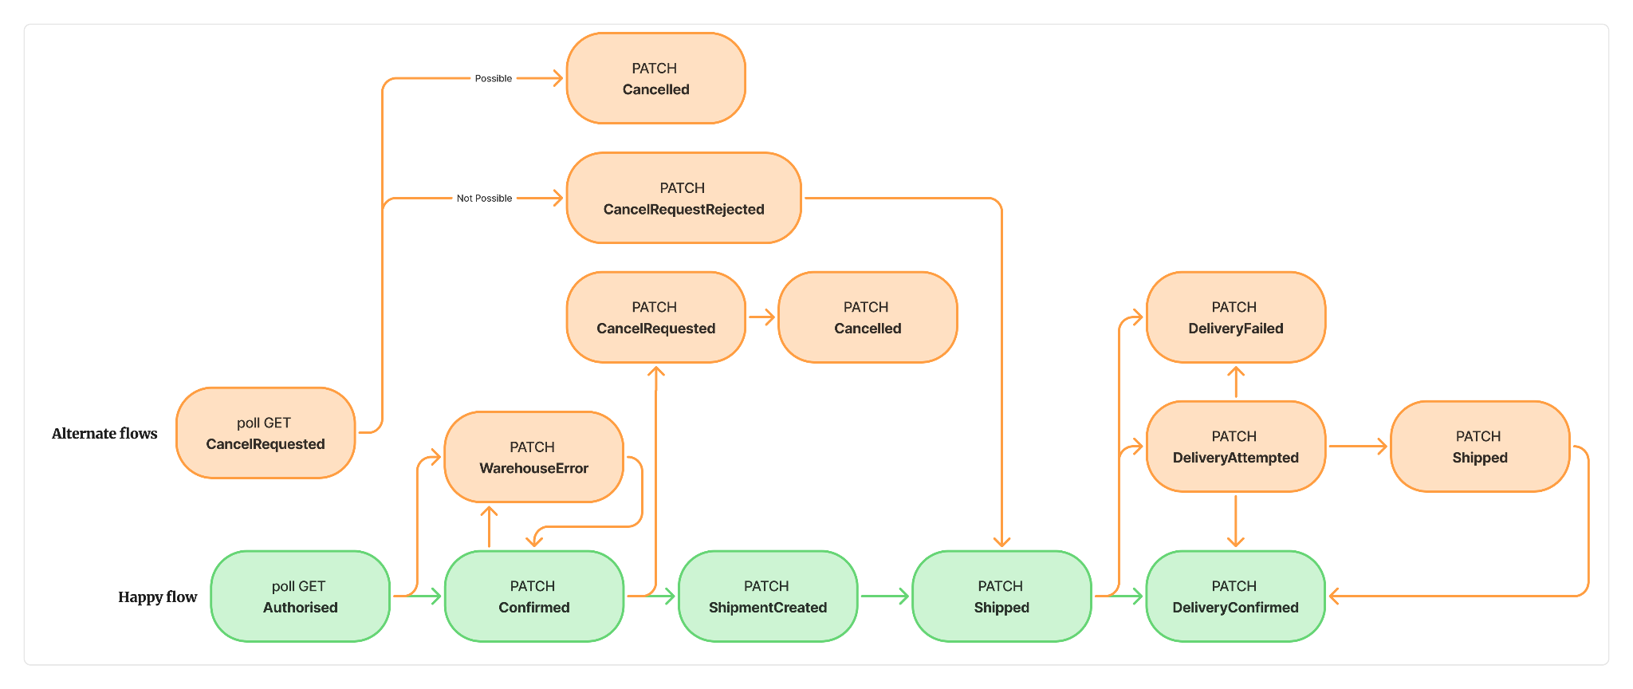
Basavaraj Updates |  |  | Have a attribute in Lot transactions.
 |  |  | Fulfillment LOT | LOT
RecordType | externalOrderType | externalNotes
Id | soNumber |  | txType
orderType | source |  | txDateFormat
orderState | terms |  | txSourceUpdateTime
environment | instructionId | internalNotes | txSource | SalesOrder
merchantReference | extRefNumber |  | mesLotName | Serial Number
companyAccount | endCustomer |  | goodQty2
location | soShipTo |  | locationName
InvoicedTo_company | soBillToOrg |  | soNumber
SO LINES |  |  | soItemNumber
LineId | SO_LINE_NUMBER
LineProduct | productName
LineQuantity | soLineQuantity
LineType | SO_LINE_STATUS

Per API pulled.
InvoicedFrom_company | soShipFromOrg
InvoicedFrom_attention | soGenChar01
InvoicedFrom_phoneNumber | soGenChar02
InvoicedFrom_registrationNumber | soGenChar03
InvoicedFrom_vatNumber | soGenChar04
InvoicedFrom_address | soGenChar05
InvoicedTo_company | soBillToOrg
InvoicedTo_attention | soGenChar06
InvoicedTo_phoneNumber | soGenChar07
InvoicedTo_registrationNumber | soGenChar08
InvoicedTo_vatNumber | soGenChar09
InvoicedTo_address | soGenChar10

